image
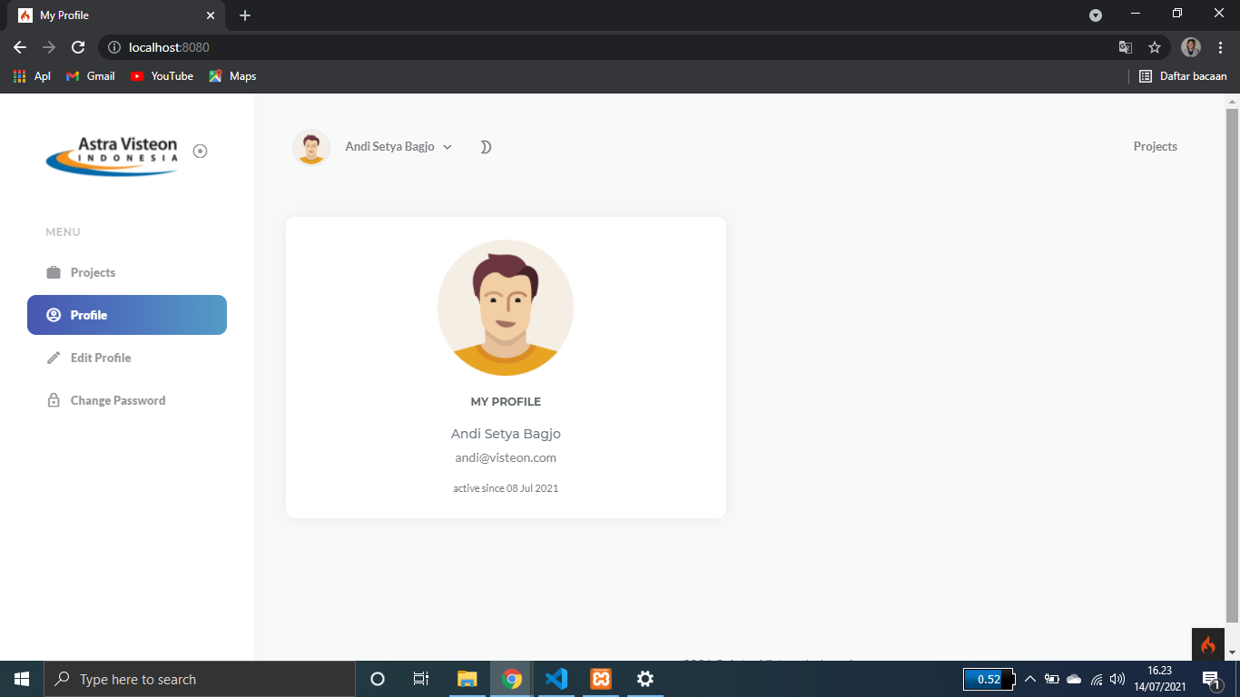
http://10.14.39.75:8080/project-management/
LOGIN PAGE

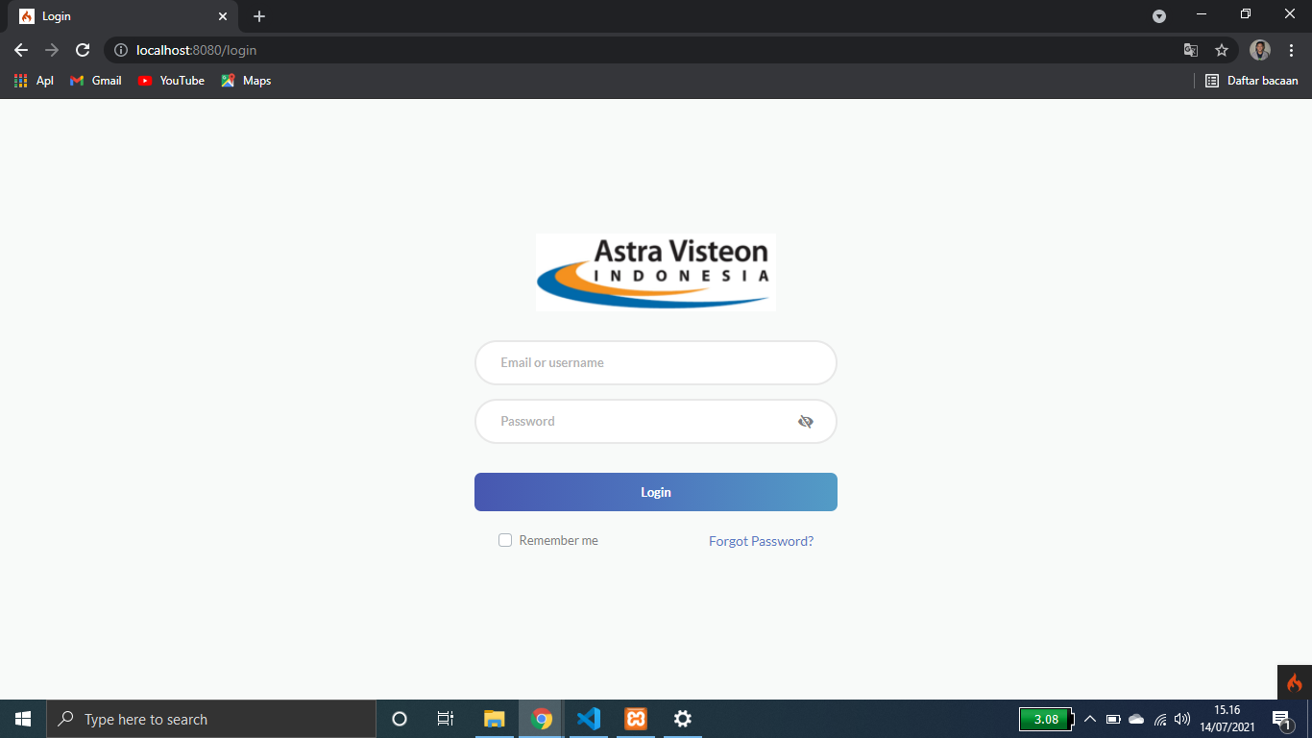

ADMIN PAGE

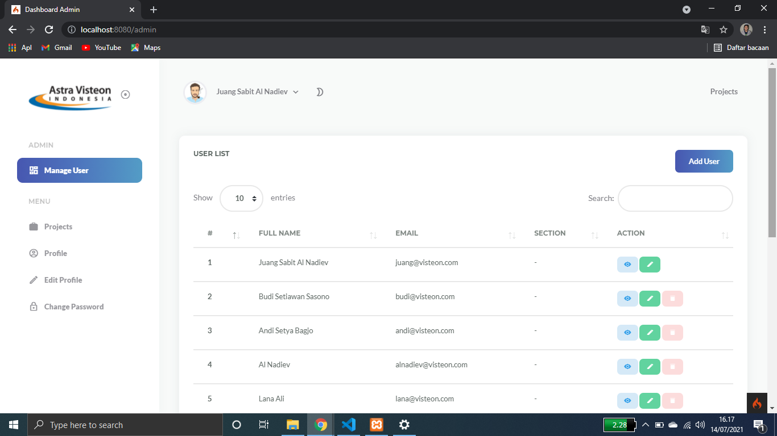

USER PAGE

